Sheet1
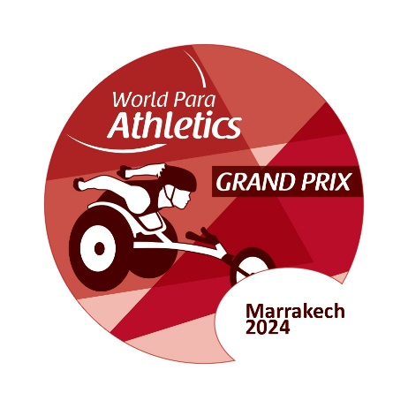 | Marrakech 2024 World Para Athletics Grand Prix - 8th International Para Athleltics Meeting |  |  |  |  |  |  | 

Country:
Team Leader's Name:
Team Leader's Email:
Team Leader's whatsapp number:

 | No. of Participants |  |  |  |  |  | Total No. of Participants
 | Athlete |  | Guides |  | Team Officials
 | M | F | M | F | M | F
Wheelchair User |  |  |  |  |  |  | 0
Ambulant |  |  |  |  |  |  | 0
Total | 0 | 0 | 0 | 0 | 0 | 0 | 0
Please complete this form and return No later than 20th March 2024 to the following address: marrakech.gp.2024@gmail.com and moroccohandisport@yahoo.fr

 |  |  | Signature and Stam of NPC/NF

