ACCOMMODATION
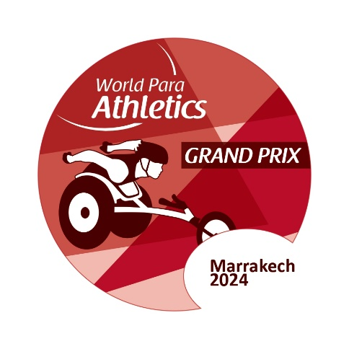
ACCOMMODATION FORM

 |  |  |  |  |  | Marrakech 2024 World Para Athletics Grand Prix
 |  |  |  |  |  |  | 8th International Para Athletics Meeting

 |  |  |  |  |  |  | 1st Package: from 21st to 29th April 2024

Please ensure the below is completed fully for all team members and sent by no later than 25th March 2024 to:
 |  |  |  |  |  | marrakech.gp.2024@gmail.com and moroccohandisport@yahoo.fr
NPC
 |  |  |  |  |  |  |  |  |  |  |  |  | Accommodation Fees must be transferred to:
 |  |  |  |  | Room Type |  | Number of rooms |  | Price (EUR) |  | Total Cost (EUR) |  | Account name | F.R.M.S. POUR PERSONNES EN SITUATION DE HANDICAP
Insert NPC Invoice Name & Address |  |  |  |  | Single Room |  | 0 |  | € 1,200.00 |  | € - |  | Bank name | AttijariWafa bank
 |  |  |  |  | Twin Room |  | 0 |  | € 2,000.00 |  | € - |  | Bank Address | C.A RABAT NATIONS UNIES, AVENUE DES NATIONS UNIES
 |  |  |  |  |  |  | 0 |  | Total Accommodation Fee: |  | € - |  | Account number | 007 810 0001592000304021 34
 |  |  |  |  |  |  |  |  |  |  |  |  | Swift/BIC-Code | BCMAMAMC
 |  |  |  |  |  |  |  |  |  |  |  |  | IBAN | MA64 007 810 0001592000304021 34

 | SINGLE ROOMS |  |  | Gender F/M |  | Wheelchair User |  | Not Wheelchair User |  | Check In Date |  | Check Out Date | Total Nights
 | Rooms | Family Name | First Name |  |  |  |  | Standing |  | (YYYY-MM-DD) |  | (YYYY-MM-DD)
 | Room 1
 | Room 2
 | Room 3
 | Room 4
 | Room 5
 | Room 6
 | Room 7
 | Room 8
 | Room 9
 | Room 10
 | Room 11
 | Room 12
 | Room 13
 | Room 14
 | Room 15
 |  |  |  |  |  |  |  |  |  |  |  |  | 0

 | TWIN ROOMS |  |  | Gender F/M |  | Wheelchair User |  | Not Wheelchair User |  | Check In Date |  | Check Out Date | Total Nights
 | Rooms | Family Name | First Name |  |  |  |  | Standing |  | (YYYY-MM-DD) |  | (YYYY-MM-DD)
 | Room 1

 | Room 2

 | Room 3

 | Room 4

 | Room 5

 | Room 6

 | Room 7

 | Room 8

 | Room 9

 | Room 10

 | Room 11

 | Room 12

 | Room 13

 | Room 14

 | Room 15

 |  |  |  |  |  |  |  |  |  |  |  |  | 0

